1. Title Page
Instacart Grocery Basket Analysis

Project Name: Instacart Grocery Basket Analysis
Date: 10/21/2022
Analyst Name: Justeena Leonard

Contents:
Population Flow
Consistency checks
Wrangling steps
Column derivations
Visualizations
Recommendations
Data Citation

2. Population Flow
 |  |  | Title page

Population flow

Exclusion flag
Condition: max_order < 5
Obervations to be removed: All customers with less than 5 orders
Final total count of order_products_all: 30964564

Orders_products_combined
Orders_products_merged
Orders_products_all

Total:
Total:
Total:
32434489 | 32404859 | 32404859

1.) The grey boxes in the first row of the population flow represent the original data sets as they were when you downloaded them. In the Total fields you need to add the count of the rows when you imported the data set into Jupyter.
2.) The second row of boxes (coloured) represents the data sets after you manipulated them, e.g., removed missing values and duplicates. In the Total fields you need to add the count of the rows after conducting these operations. This offers a visual oveview of how the data flows throughout the data consistency checks.
3.) The third row, where also the arrows are coloured, represents the merges you performed between the datasets. In the Total fields you need to add the count of the rows in the merged datasets, so that you end up with the final dataset (in the red box). Keep in mind the final dataset should be without exclusions (based on the exclusion flag).

3. Consistency checks
 |  |  |  | Title page
Consistency checks

Dataset | Missing values | Missing values treatment | Duplicates
orders | 206,209 | Create new data frame excluding these value called returning customers. | None
products | 16 | Create new data frame called df_prods_clean excluding missing values. | 5
customers | 11259 | Missing 11,259 First names , do nothing too many values missing in this string | None

4. Wrangling steps
 |  |  |  | Title page
Wrangling steps

Columns dropped | Columns renamed | Columns' type changed | Comment/Reason
eval_set |  |  | It has one value/Irrelevant
 | order_hour_of_day |  | Changed to time_order_was _placed/Easier to understand
 | order_dow |  | DOW isnt intuitive, change to orders_day_of_week
 |  | order_id | Doesn't represent real numerica values, rather, keys related to specific orders
 |  | customer_id | Doesn't represent real numerica values, rather, keys related to specific users
 |  | user_id | Change to string in customer database

5. Column derivations
 |  |  |  | Title page

Column derivations and aggregations

In this tab you should add tables below that the frequences of flags/label variables that you produced after deriving them. NB: don't do this for continuous variables, only for flags.
Dataset | New column | Column/s it was derived from | Conditions
ords_prods_merged | price_label | prices | Labeled High, Mid, and Low level products based on price
ords_prods_merged | busiest_day | order_dow | Labeled Least, Regularly, and Busiest days based on day of the week
ords_prods_merged | busiest_days | order_dow | Labled 2 busiest days and two slowest days everything else regulary busy
ords_prods_merged | max_order | user_id, order_number | grouped by max of order_number
ords_prods_merged | loyalty_flag | max_order | > 40 is Loyal Customer, >10 and <= 40 is Regular Customer, <10 is New Customer
ords_prods_merged | avg_price | user_id, prices | grouped by mean of prices
ords_prods_merged | spending_flag | avg_price | <10 is low spender, >=10 is High spender
ords_prods_merged | order_freq | user_id, days_since_prior_order | grouped by median of days_since_prior_order
ords_prods_merged | order_frequency_flag | order_freq | >20 is Non-Frequent customer, >10 and <=20 is Regular Customer, <10 is frequent customer
ords_prods_merged | prices | prices | dropped 5127 rows that contain grocery items above $100

6. Visualizations
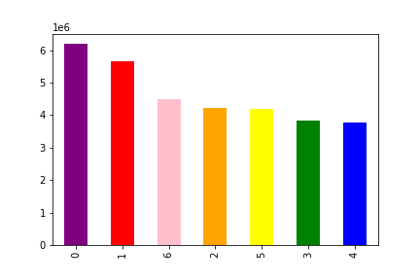
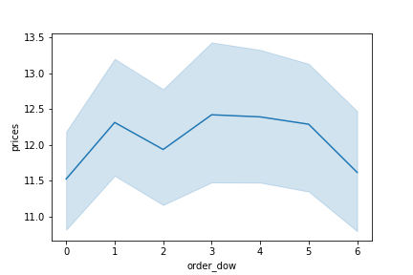
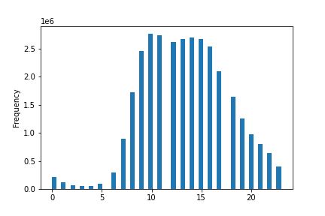
 |  |  |  | Title page

Visualisations

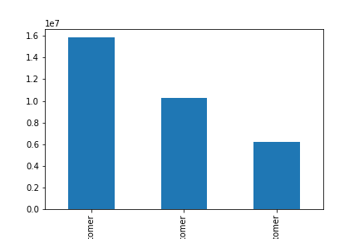

 |  | Question 1: What's the distribution among users in regards to brand loyalty? Regular Customers 15,876,776 / Loyal Customers 10,284,093 / New Customers 6,243,990

Regular Loyal New
Customer Customer Customer

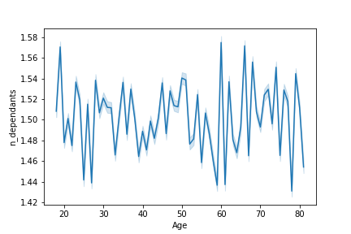

 |  |  | 2. Is there a connection between age and family status in terms of ordering habits? There seems to be no connection in age and number of dependants.

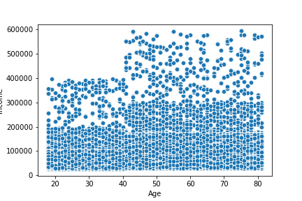

 |  |  | 3. Is there a connection between age and family status in terms of ordering? There is a small postive correlation between age and income.

Question 4 - What differences can you find in the ordering habits of different customer profiles? Middle Class Young Parent, who buys baby items and household supplies. Makes up 203,371 of our customber base.
 | Tend to be lower income, less than 6 figures.
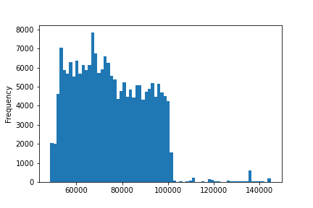
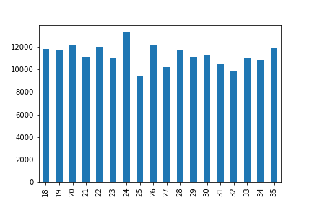
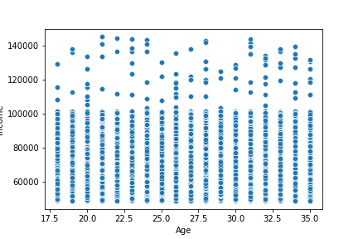

 | Income Instagram |  | Age Bar Chart |  | Age Vs. Income Scatterplot

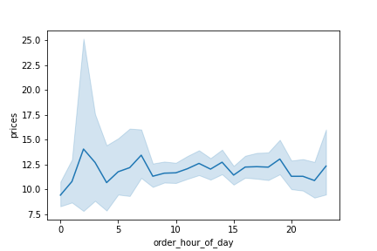
 | Question 5 ordering habits. Saturday and Sunday are the most popular ordering days. Customers tend to spend more money on Sunday and Tuesday. Prices seem to spike during the hours of 3AM, 7AM, 2PM, and 6 PM, however the most items are placed between 9AM - 5PM.

7. Recommendations
 |  |  |  |  |  |  | Title page

Recommendations

 | Question | Answer
 | Key Question 1 | Busiest days of the week are Saturday and Sunday. |  |  | Busiest Hours of the week are 9AM - 5PM
 | Key Question 2 | Prices seem to spike during the hours of 3AM, 7AM, 2PM, and 6 PM
 | Key Question 3 |  | Prices in this data fall between $1.00 and $99,999.00, with %50 of the data falling under $7.40. Large outliers are skewing the data.
 |  |  |  Suggested Price Ranges - Low Range - $1 to $7.50, Mid Range $7.50 to $15, High Range $15 plus
 | Key Question 4 | 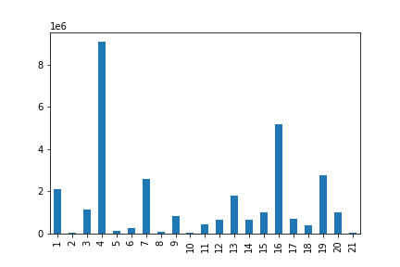 Departments with the highest frequency are Produce, Dairy Eggs, Snacks, Beverages, and Frozen.
Regular Loyal New
Customer Customer Customer
 | Key Question 5 | Regular Customers 15,876,776 / Loyal Customers 10,284,093 / New Customers 6,243,990 |  |  |  | 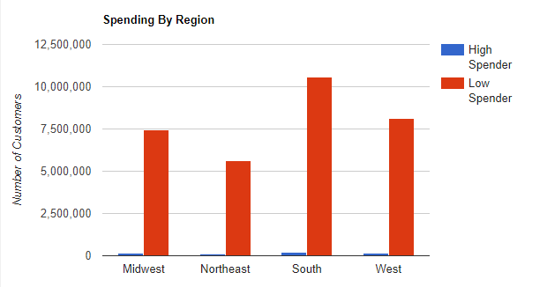 Ordering habits based on Region: Region spending_flag Midwest High Spender 155975 Low Spender 7441350 Northeast High Spender 108225 Low Spender 5614511 South High Spender 209691 Low Spender 10582194 West High Spender 160354 Low Spender 8132559
 | There is no connection between age and number of dependants. There is a small positve correclation between and and income.
Key Question 6 |  | The largest group of customers are married with 53% of our customer base being made up by this demographic. The majority of customers are middle class with 47% of our customer base falling in this demographic. | 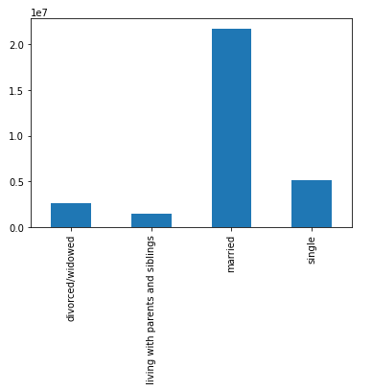 |  |  | 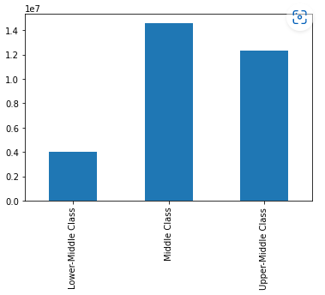
 |  | It is also worth noting the South is more likely to have customer with higher number of dependants |  | 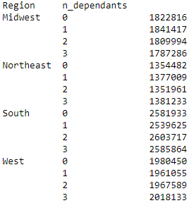
Key Question 7 |  | I profiled Middle Class Young Parents who have babies and buy household goods. My assumption was there was a large demographic that would have babies and need cleaning supplies, and since having a baby would make it increasingly hard to leave the house we could advertise to them on the grounds of making life easier with instacart.

 |  |  | Prices - They spend on average $7.54
 |  |  | Max Order - Average Order is 33 , Frquent Customers make up 66% of this demographic
 |  |  | The highest customer count in this demographic is in the South, with 2 dependents, and they tend to be in their early 20s, buying household goods.
 |  |  | Top Items sold to this demographics - 100% Recycled Paper Towels, Sustainably Soft Bath Tissue, Aluminum Foil, Baby Food Stage 2 Blueberry Pear & Purple Carrot, Natural Free & Clear Dish Liquid

